Pivot table
Sum of Cases_Reported
1869091 | 1869091

Average of Cases_Reported
623.03033333 | 623.03033333

Sum of Convictions
8063717 | 8063717

Row Labels | Sum of Cases_Reported
2018 | 1826783
Grand Total | 1826783

CRIME DISTRIBUTION BY TYPE
Row Labels | Sum of Cases_Reported
Cybercrime | 1869091
Grand Total | 1869091

Row Labels | Sum of Cases_Reported
Nagpur | 8751
Grand Total | 8751

CRIME DISTRIBUTION BY YEAR

Row Labels | Sum of Cases_Reported
Haryana | 154158
Grand Total | 154158

Dashboard
CRIME HOTSPOT ANALYSIS
INDIA | 2014 - 2023

TOTAL CASES REPORT
1869091
AVERAGE CRIME RATE
623.0303333
TOTAL CONVICTION
8063717



CRIME TREND BY YEAR
 | Total
2018 | 1826783
CRIME DISTRIBUTION BY TYPE
 | Total
Cybercrime | 1869091



 | TOTAL CASES RATE





 | AVERAGE CRIME RATE

CRIME CASES BY DISTRICT
 | Total
Nagpur | 8751
CRIME DISTRIBUTION BY YEAR
 | Total
Haryana | 154158


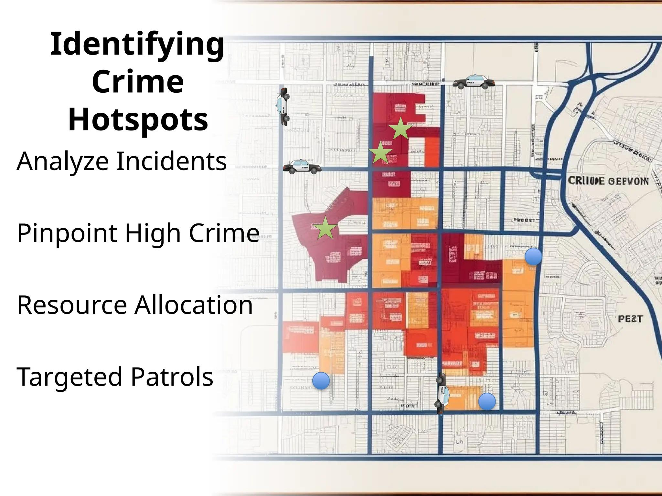

 |  | TOTAL CONVICTION

